2017 Std 170 Calculator
ASHRAE Standard 170-2017 Minimum Airflow Calculator for HAP |  |  |  |  |  |  |  |  |  | REV 1 | © Carrier Corporation 2018
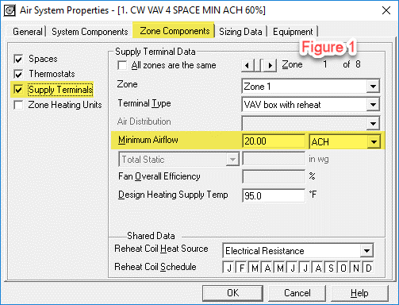
Instructions:
This spreadsheet calculates the required Minimum Outdoor Air CFM/sqft input for HAP using ASHRAE Standard 170-2017, Table 7-1 ACH values, which is required for HAP to analyze Healthcare Facilities
Yellow cells are input cells | Blue cells are auto look-up values from Table 7-1 |  |  | Green cells are resulting calculation values to be input into HAP as OA1
When entering ventilation air in the HAP space input, change units to CFM/sqft and enter values in green cells as OA1 only. Leave the OA2 input field blank (as shown in Fig 2 on right)
In HAP system input, under Zone Components tab under Supply Terminals, enter Minimum Supply Airflow ACH rate as indicated in Column "I" (as shown in Fig 1 on right)

Space Designation | System | Zone Terminal | Space Floor Area (sqft) | Floor to Ceiling Height (ft) | Function of Space | Pressurization Relationship to Adjacent Areas | Minimum Outdoor Air ACH | Minimum Supply Air ACH (Enter into HAP as Min Airflow ACH) | All Room Air Exhausted Directly to Outdoors? | Mininum Outdoor Air in CFM/sqft (Enter into HAP as OA1)*
OR-1 | AHU-1 | Zone 1-1 | 2,000.0 | 10.0 | Critical and intensive care | NR | 2 | 6 | NR | 0.33
Toilet Room 1 | AHU-2 | Zone 2-1 | 50.0 | 9.0 | Toilet room | Negative | NR | 10 | Yes | #VALUE!
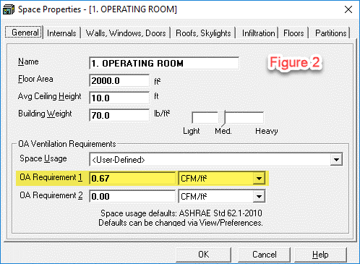
Patient Room 100 | AHU-2 | Zone 2-2 | 150.0 | 9.0 | Patient room | NR | 2 | 4 | NR (y) | 0.30
X-ray 1A | AHU-2 | Zone 2-3 | 180.0 | 10.0 | X-ray (diagnostic and treatment) | NR | 2 | 6 | NR | 0.33
Newborn Nursery | AHU-2 | Zone 2-3 | 500.0 | 10.0 | Newborn nursery suite | NR | 2 | 6 | NR | 0.33
 |  |  | 1,000.0 | 10.0 | Operating/surgical cystoscopic rooms (m), (o) | Positive | 4 | 20 | NR | 0.67
 |  |  |  |  |  | #N/A | #N/A | #N/A | #N/A | #N/A
 |  |  |  |  |  | #N/A | #N/A | #N/A | #N/A | #N/A
 |  |  |  |  |  | #N/A | #N/A | #N/A | #N/A | #N/A
 |  |  |  |  |  | #N/A | #N/A | #N/A | #N/A | #N/A
 |  |  |  |  |  | #N/A | #N/A | #N/A | #N/A | #N/A
 |  |  |  |  |  | #N/A | #N/A | #N/A | #N/A | #N/A
 |  |  |  |  |  | #N/A | #N/A | #N/A | #N/A | #N/A
 |  |  |  |  |  | #N/A | #N/A | #N/A | #N/A | #N/A
 |  |  |  |  |  | #N/A | #N/A | #N/A | #N/A | #N/A
 |  |  |  |  |  | #N/A | #N/A | #N/A | #N/A | #N/A |  | NOTES:
 |  |  |  |  |  | #N/A | #N/A | #N/A | #N/A | #N/A |  |  | * if Min OA is NR (#VALUE!) Space Requires No Ventilation Air.
 |  |  |  |  |  | #N/A | #N/A | #N/A | #N/A | #N/A |  |  | In this case enter 0 CFM/ft2 for ventilation in HAP
 |  |  |  |  |  | #N/A | #N/A | #N/A | #N/A | #N/A
 |  |  |  |  |  | #N/A | #N/A | #N/A | #N/A | #N/A |  |  | If cell indicates "#N/A" in Blue fields this because no data has
 |  |  |  |  |  | #N/A | #N/A | #N/A | #N/A | #N/A |  |  | been entered yet in Yellow input cells
 |  |  |  |  |  | #N/A | #N/A | #N/A | #N/A | #N/A
 |  |  |  |  |  | #N/A | #N/A | #N/A | #N/A | #N/A |  |  | To add additional rows for additional spaces simply right-click on number
 |  |  |  |  |  | #N/A | #N/A | #N/A | #N/A | #N/A |  |  | column on far left side then select "Insert"
 |  |  |  |  |  | #N/A | #N/A | #N/A | #N/A | #N/A
 |  |  |  |  |  | #N/A | #N/A | #N/A | #N/A | #N/A
 |  |  |  |  |  | #N/A | #N/A | #N/A | #N/A | #N/A
 |  |  |  |  |  | #N/A | #N/A | #N/A | #N/A | #N/A
 |  |  |  |  |  | #N/A | #N/A | #N/A | #N/A | #N/A
 |  |  |  |  |  | #N/A | #N/A | #N/A | #N/A | #N/A
 |  |  |  |  |  | #N/A | #N/A | #N/A | #N/A | #N/A
 |  |  |  |  |  | #N/A | #N/A | #N/A | #N/A | #N/A
 |  |  |  |  |  | #N/A | #N/A | #N/A | #N/A | #N/A
 |  |  |  |  |  | #N/A | #N/A | #N/A | #N/A | #N/A
 |  |  |  |  |  | #N/A | #N/A | #N/A | #N/A | #N/A
 |  |  |  |  |  | #N/A | #N/A | #N/A | #N/A | #N/A
 |  |  |  |  |  | #N/A | #N/A | #N/A | #N/A | #N/A
 |  |  |  |  |  | #N/A | #N/A | #N/A | #N/A | #N/A
 |  |  |  |  |  | #N/A | #N/A | #N/A | #N/A | #N/A
 |  |  |  |  |  | #N/A | #N/A | #N/A | #N/A | #N/A
 |  |  |  |  |  | #N/A | #N/A | #N/A | #N/A | #N/A
Comments:

